Elbow Method
Data for 12-31-2020 |  | Example of Distance vs Clusters for 2020-12-31
Number of Clusters | Ward Distance (squared error)
2 | 5.25
2 | 5
2 | 4.75
The closest angle to 45 degrees with the highest clusters is at a Ward Distance of 1.5 and Number of Clusters of 9
2 | 4.5
2 | 4.25
2 | 4
2 | 3.75
2 | 3.5
2 | 3.25
2 | 3
2 | 2.75
4 | 2.5
5 | 2.25
8 | 2
8 | 1.75
9 | 1.5
14 | 1.25
21 | 1
30 | 0.75
52 | 0.5

Dendrogram
Dendrogram for 2020-12-31

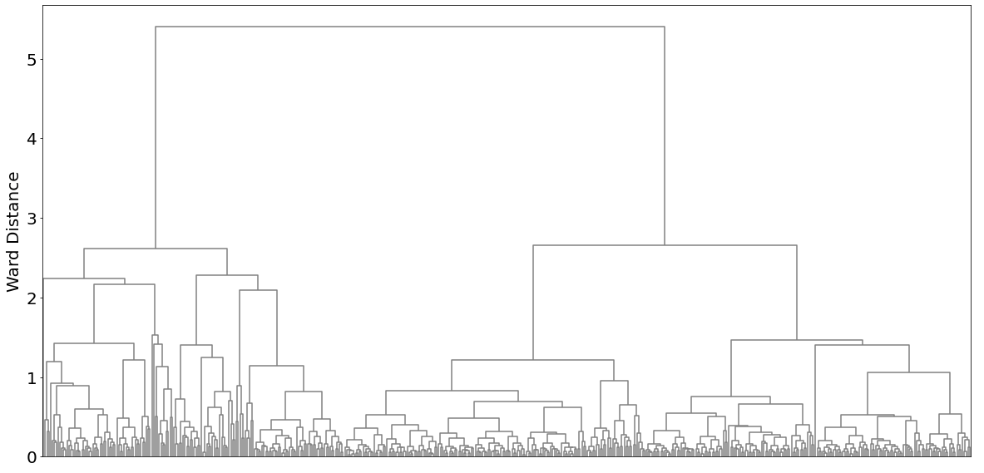

For example, at a Ward Distance of 1.5, the number of clusters in the Dendrogram is 9, which is the number of "branches" crossed by the orange line.

